Femto_cases
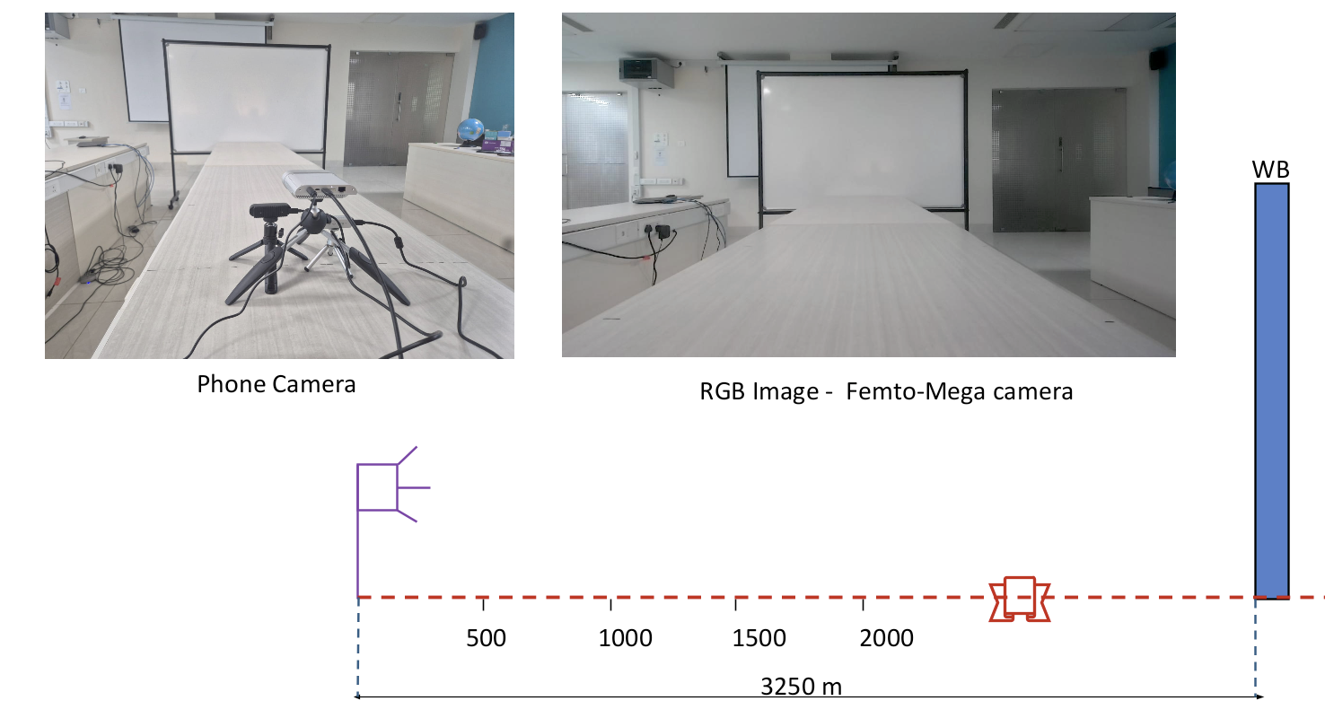
No. | Case | File Path

1 | Samsung box 1m | Captures_June_29_Depth/Femto & Gemini/Linear Cases/Femto/Femto_1m_largebox
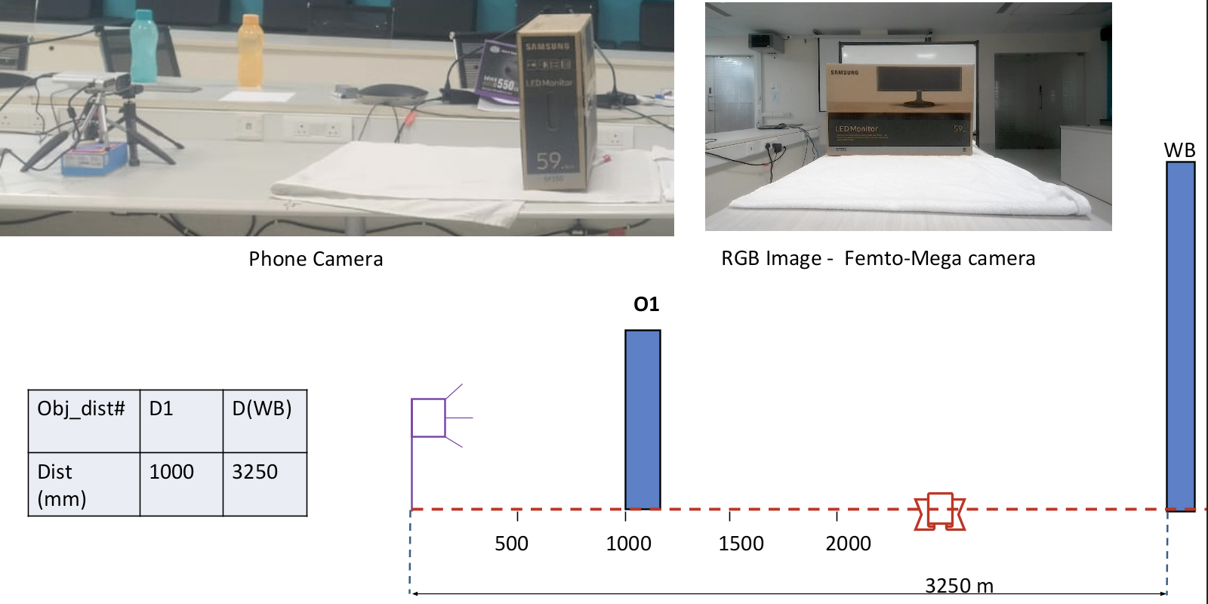

2 | 6 objects + whiteboard | jun1726_depth/Orbbec Femto Mega/Femto_122_v2_7_obj_6_PM/Femto_122_v2_with_light_7_obj_6_PM
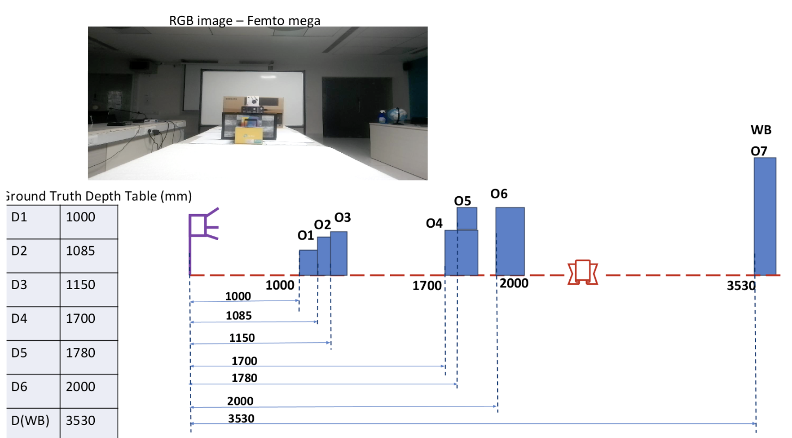

3 | Samsung box 0.5m | Captures_June_29_Depth/Femto & Gemini/Linear Cases/Femto/Femto_50cm_2box
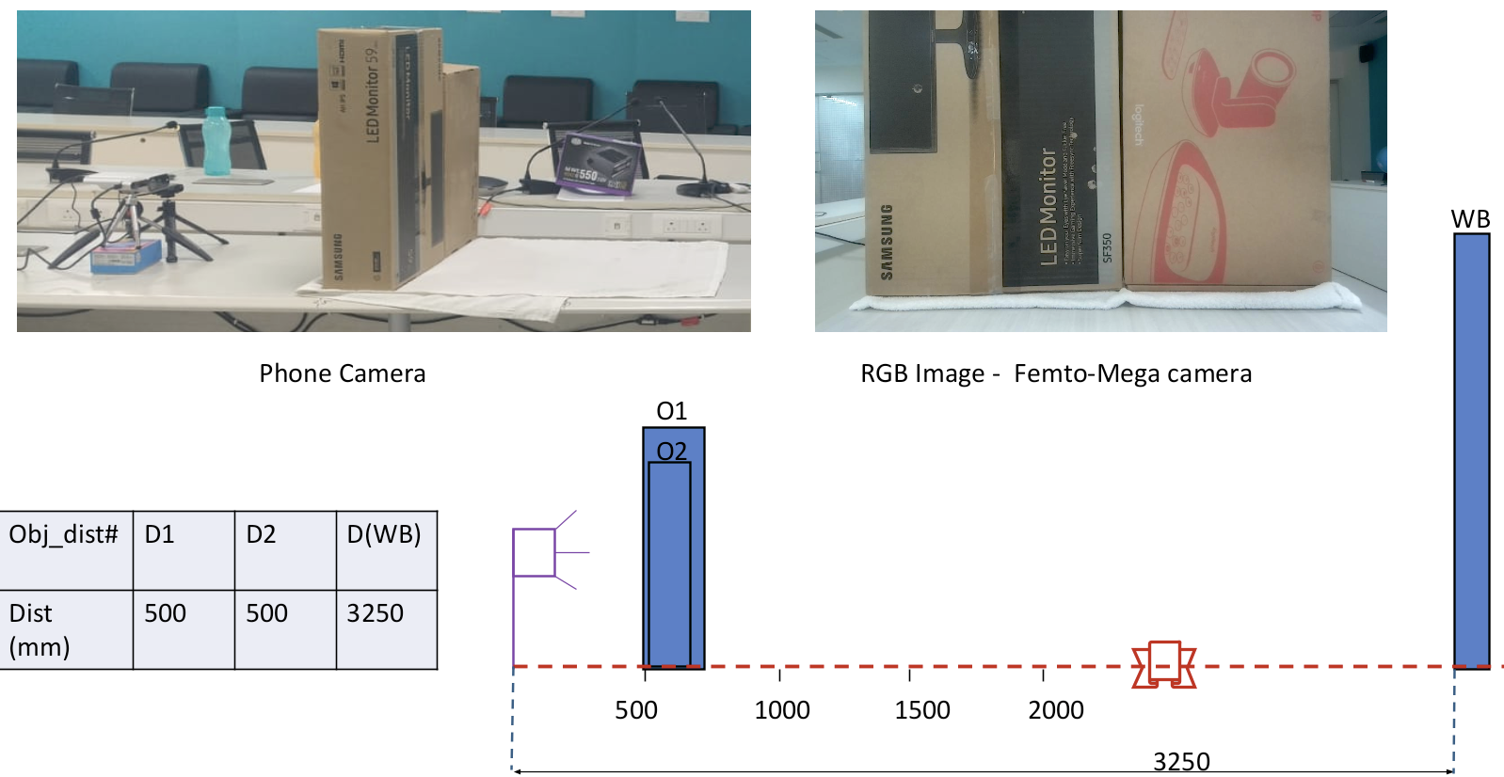

4 | Whiteboard only | Captures_June_29_Depth/Femto & Gemini/Linear Cases/Femto/Femto_only_whiteboard

